Sheet1
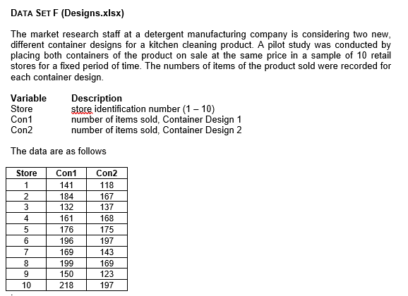
Store | Con1 | Con2 | t-Test: Paired Two Sample for Means
1 | 141 | 118
2 | 184 | 167 |  | Con1 | Con2
3 | 132 | 137 | Mean | 172.6 | 159.4
4 | 161 | 168 | Variance | 750.26666667 | 789.37777778
5 | 176 | 175 | Observations | 10 | 10
6 | 196 | 197 | Pearson Correlation | 0.86333500408
7 | 169 | 143 | Hypothesized Mean Difference | 0
8 | 199 | 169 | df | 9
9 | 150 | 123 | t Stat | 2.8747021255
10 | 218 | 197 | P(T<=t) one-tail | 0.0091678173876
 |  |  | t Critical one-tail | 1.8331129327
 |  |  | P(T<=t) two-tail | 0.018335634775
 |  |  | t Critical two-tail | 2.2621571628

 |  |  | Difference in Means | 13.2

Interpretation
These results come from comparing sales figures in 10 stores under two container designs, Con1 and Con2. Each store tested both designs, so the data are paired observations. The average sales under Con1 is 172.6, while the average under Con2 is 159.4, giving a difference of about 13.2 items sold per store. The two-tailed p-value of 0.018 is below the conventional 0.05 cutoff, suggesting this difference is statistically significant. In practical terms, these findings indicate that Con1 is likely to achieve higher sales than Con2.

